Fucttion
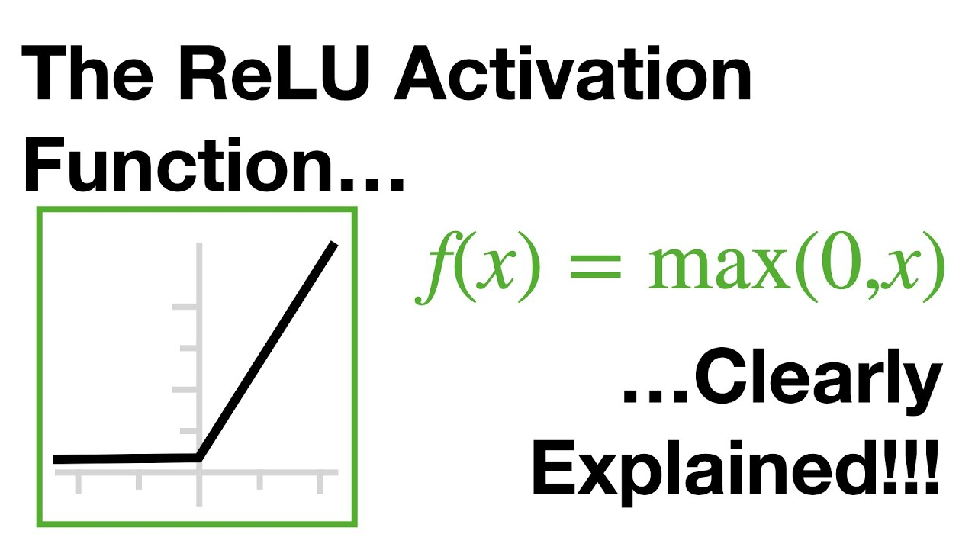

GRAPH
 | 2.5033173134 |  | 2.5033173134
 | 2.8221673515 |  | 2.8221673515
 | 2.6277345162 |  | 2.6277345162
 | 2.4698714351 |  | 2.4698714351
 | 2.3391723579 |  | 2.3391723579
 | 2.2938005726 |  | 2.2938005726
 | 2.2644537746 |  | 2.2644537746
 | 2.2415030074 |  | 2.2415030074
 | 2.2231031736 |  | 2.2231031736
 | 2.2079786598 |  | 2.2079786598
 | 2.2030171295 |  | 2.2030171295
 | 2.1959434464 |  | 2.1959434464
 | 2.1893038586 |  | 2.1893038586
...

